Bug Report
Defect Report |  | Defect Report | Defect Report | Defect Report

Release | V.1.0
Title | unable to reset password using the "forgot password" feature
Description | when the user attempts to reset the password using "Forgot your password" feature the "504 Gateway Timeout" error appears.
Steps | Open the OrangeHRM login page. Click “Forgot your password?”. Enter a valid username. Click Reset Password
Expected Results | the user should be able to reset the password successfully.
Actual Result | The page keeps loading and displays a 504 Gateway Timeout error.
Environment | Chrome Version 145.0.7632.117 (Official Build) (64-bit)
Screenshot / Video | 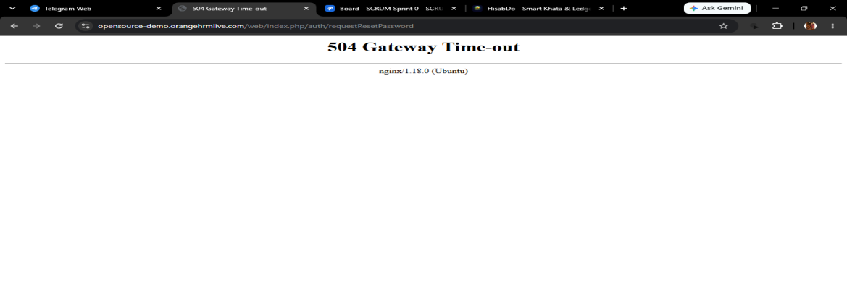 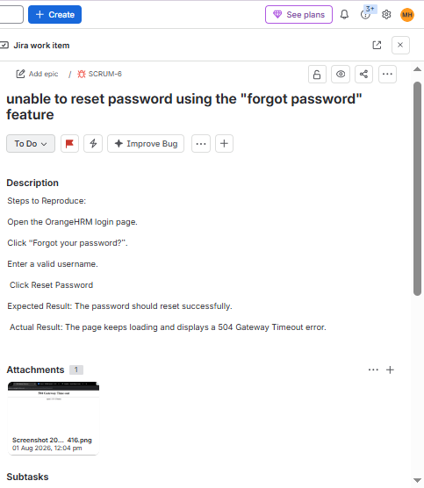
severity | Major
Priority | High
Status | open
© Copy rights for QAcart 2022

